Pairwise comparison plots
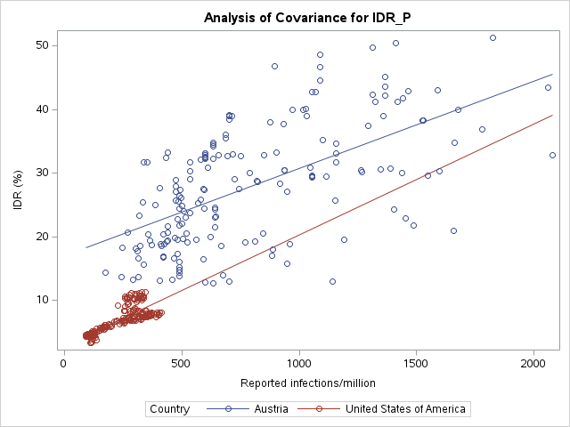
Plots for USA to visually confirm the interaction
 |  | P-values for the interaction
 |  | United States of America
 | Austria | 0.3674

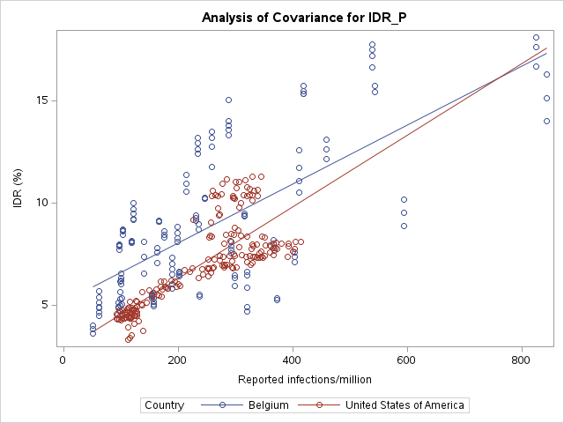
 |  | P-values for the interaction
 |  | United States of America
 | Belgium | 0.0719

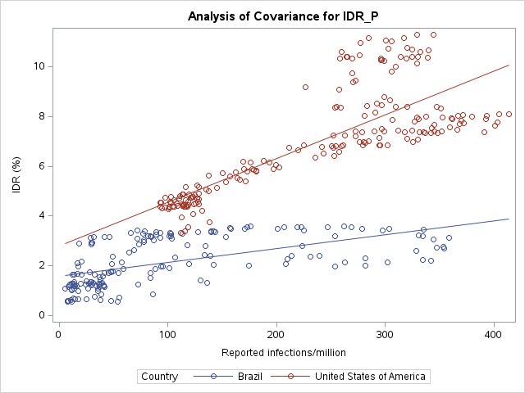
 |  | P-values for the interaction
 |  | United States of America
 | Brazil | <.0001

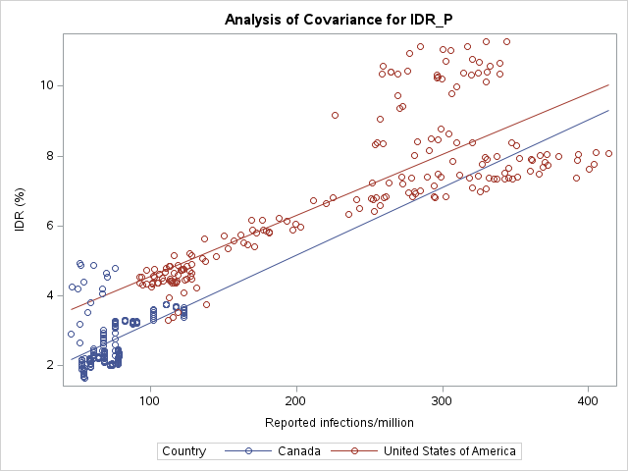
 |  | P-values for the interaction
 |  | United States of America
 | Canada | 0.6377

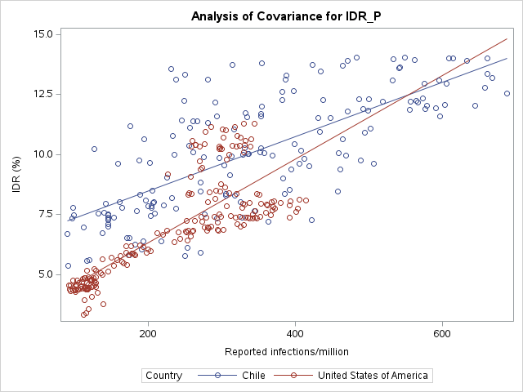
 |  | P-values for the interaction
 |  | United States of America
 | Chile | <.0001

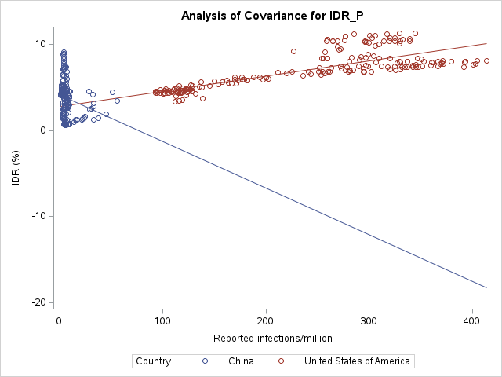
 |  | P-values for the interaction
 |  | United States of America
 | China | <.0001

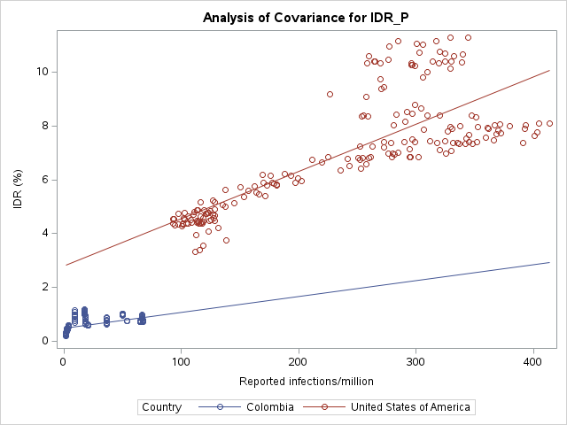
 |  | P-values for the interaction
 |  | United States of America
 | Colombia | 0.0012

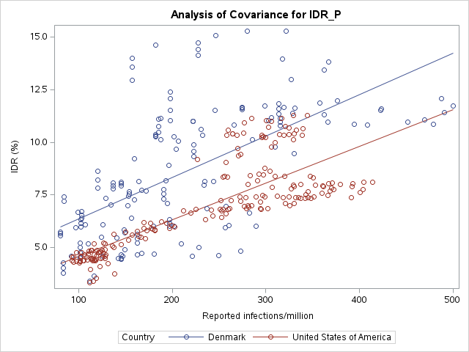
 |  | P-values for the interaction
 |  | United States of America
 | Denmark | 0.2700

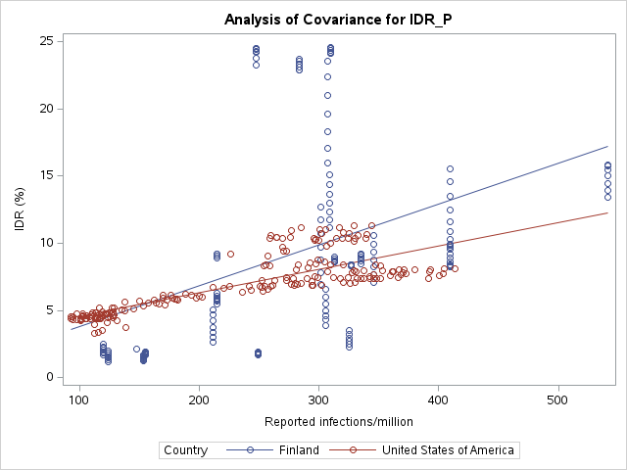
 |  | P-values for the interaction
 |  | United States of America
 | Finland | 0.0083

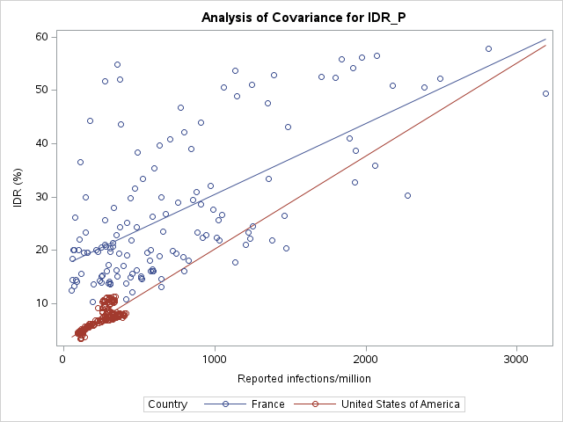
 |  | P-values for the interaction
 |  | United States of America
 | France | 0.4099

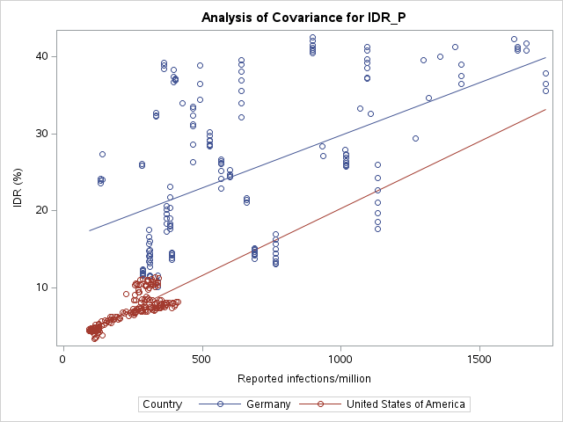
 |  | P-values for the interaction
 |  | United States of America
 | Germany | 0.4235

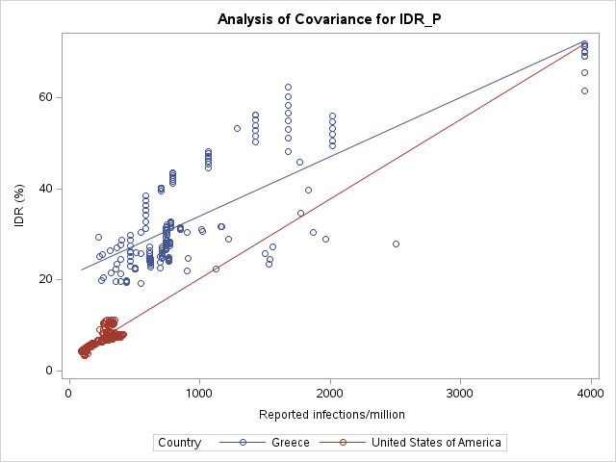
 |  | P-values for the interaction
 |  | United States of America
 | Greece | 0.2812

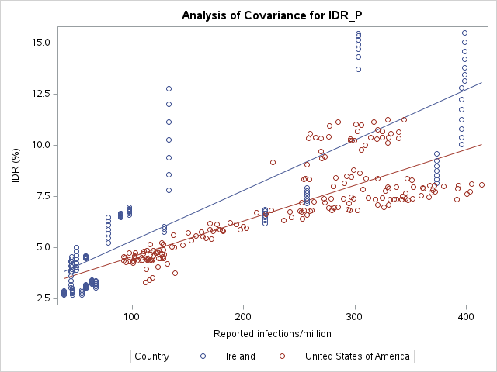
 |  | P-values for the interaction
 |  | United States of America
 | Ireland | <.0001

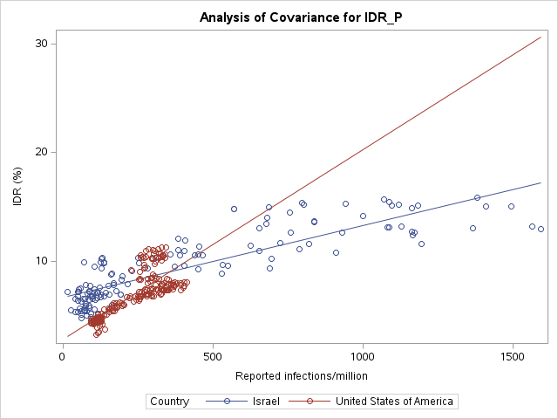
 |  | P-values for the interaction
 |  | United States of America
 | Israel | <.0001

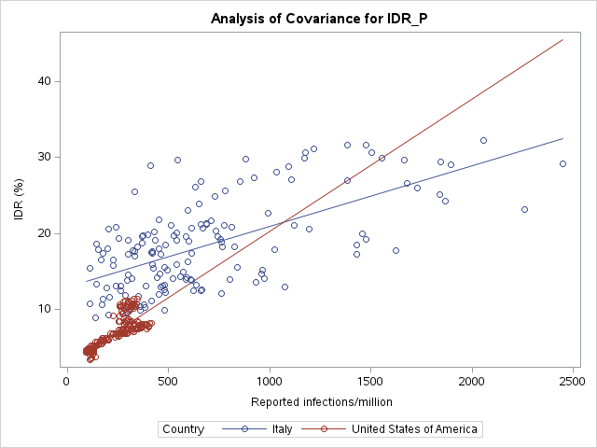
 |  | P-values for the interaction
 |  | United States of America
 | Italy | 0.0002

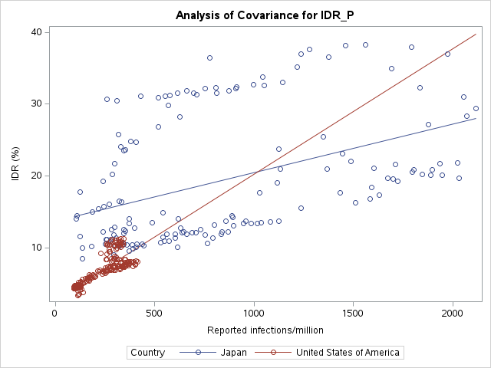
 |  | P-values for the interaction
 |  | United States of America
 | Japan | 0.0086

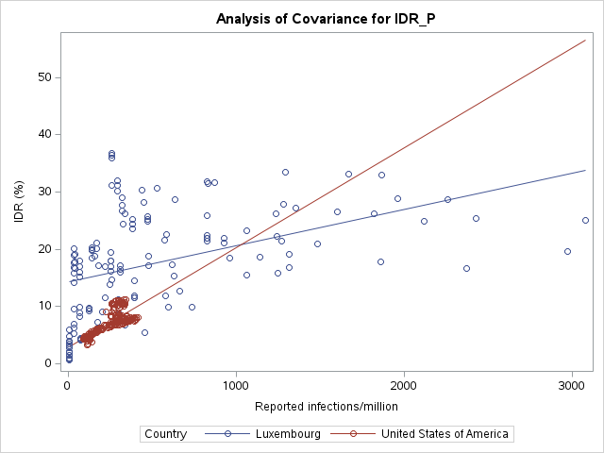
 |  | P-values for the interaction
 |  | United States of America
 | Luxembourg | 0.0060

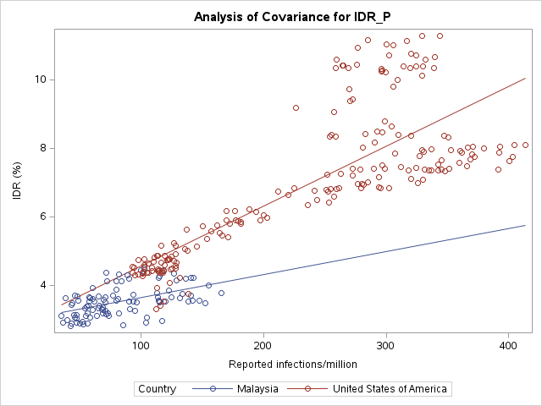
 |  | P-values for the interaction
 |  | United States of America
 | Malaysia | 0.0014

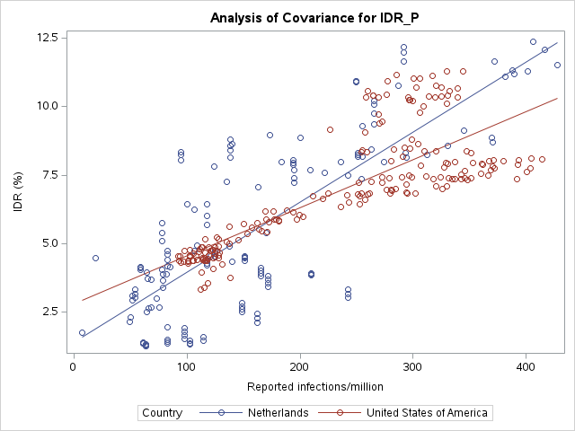
 |  | P-values for the interaction
 |  | United States of America
 | Netherlands | <.0001

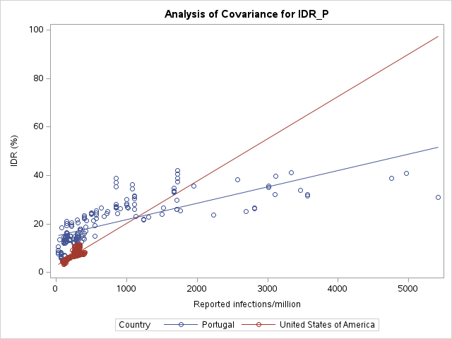
 |  | P-values for the interaction
 |  | United States of America
 | Portugal | 0.0008

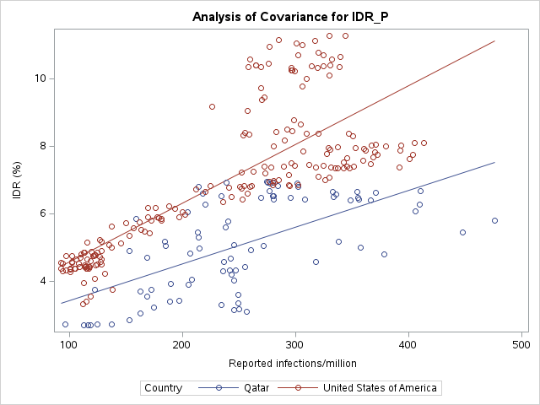
 |  | P-values for the interaction
 |  | United States of America
 | Qatar | 0.0007

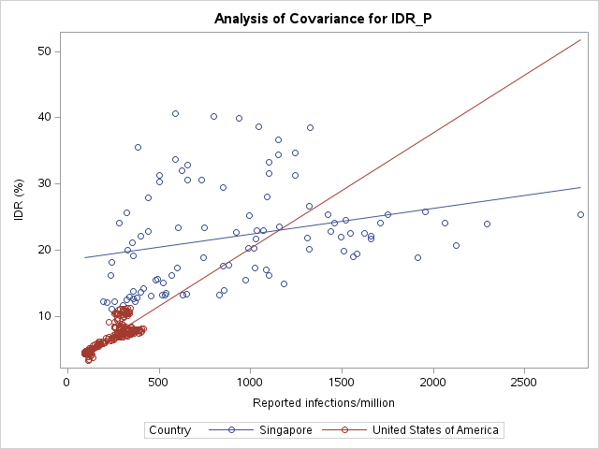
 |  | P-values for the interaction
 |  | United States of America
 | Singapore | <.0001

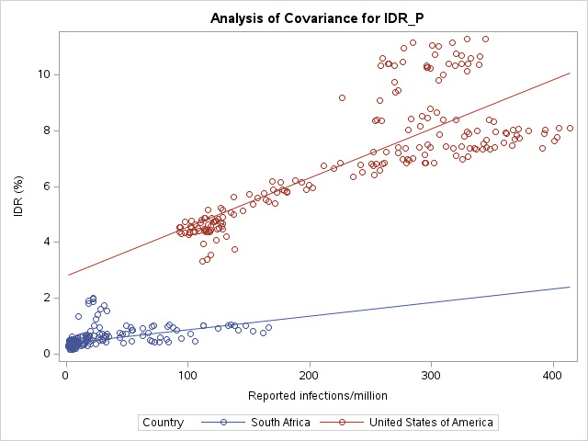
 |  | P-values for the interaction
 |  | United States of America
 | South Africa | <.0001

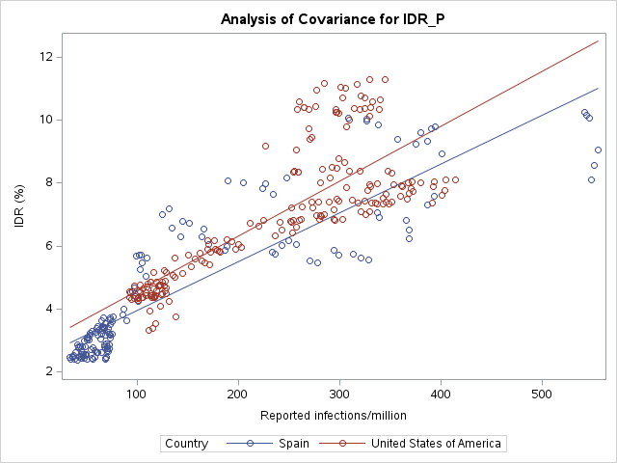
 |  | P-values for the interaction
 |  | United States of America
 | Spain | 0.0872

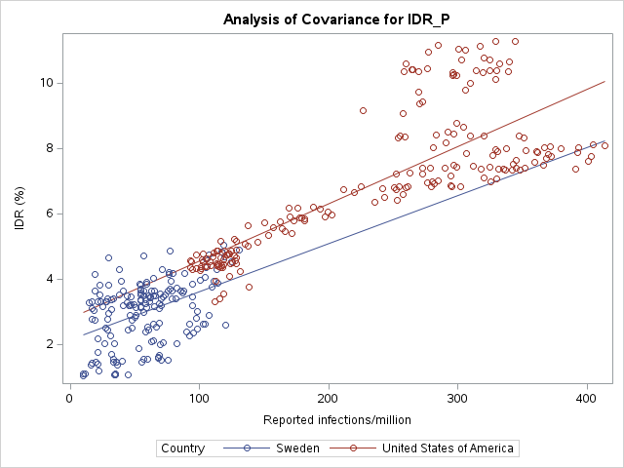
 |  | P-values for the interaction
 |  | United States of America
 | Sweden | 0.3748

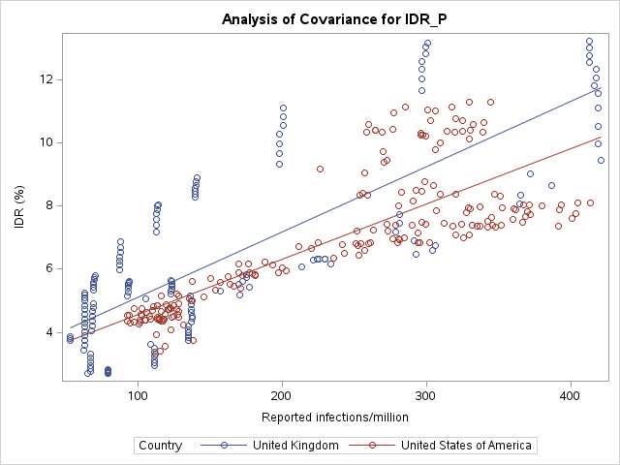
 |  | P-values for the interaction
 |  | United States of America
 | United Kingdom | 0.0428

Global model
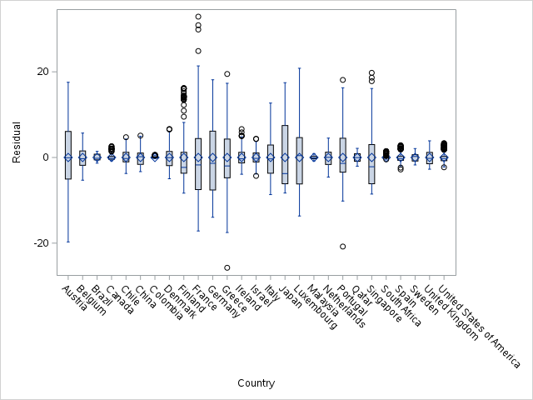
Table. Global model using 27 countries' data during Omicron BA.4/5 (random effect: country, fixed effect: reported infection/miliion, interaction)
Effect | Country | Estimate | Standard | DF | t Value | Pr > |t|
 |  |  | Error |  |  |  |  |  | Data list for plot
Intercept |  | 2.8227 | 0.9101 | 0 | 3.1 | . |  |  | Country | Reported infections / 1M | IDR (%)
Country | Austria | 14.1933 | 1.1953 | 0 | 11.87 | . |  |  | Austria | 0 | 13.7046
Country | Belgium | 2.346 | 1.131 | 0 | 2.07 | . |  |  | Austria | 5000 | 103.0696
Country | Brazil | -1.2343 | 1.0539 | 0 | -1.17 | . |  |  | Belgium | 0 | 3.8866
Country | Canada | -1.5293 | 1.7024 | 0 | -0.9 | . |  |  | Belgium | 5000 | 99.0916
Country | Chile | 3.3745 | 1.2691 | 0 | 2.66 | . |  |  | Brazil | 0 | 1.4271
Country | China | 1.3203 | 1.0274 | 0 | 1.29 | . |  |  | Brazil | 5000 | 38.2271
Country | Colombia | -2.3323 | 1.0883 | 0 | -2.14 | . |  |  | Canada | 0 | 0.2657
Country | Denmark | 1.5676 | 1.2732 | 0 | 1.23 | . |  |  | Canada | 5000 | 144.4657
Country | Finland | -2.0834 | 1.4604 | 0 | -1.43 | . |  |  | Chile | 0 | 4.1604
Country | France | 14.4044 | 1.1025 | 0 | 13.06 | . |  |  | Chile | 5000 | 83.4104
Country | Germany | 13.2551 | 1.1495 | 0 | 11.53 | . |  |  | China | 0 | 4.2721
Country | Greece | 18.0832 | 1.0683 | 0 | 16.93 | . |  |  | China | 5000 | -304.6279
Country | Ireland | 0.04973 | 1.0981 | 0 | 0.05 | . |  |  | Colombia | 0 | 0.4879
Country | Israel | 3.9026 | 1.0707 | 0 | 3.64 | . |  |  | Colombia | 5000 | 28.0879
Country | Italy | 10.1521 | 1.1293 | 0 | 8.99 | . |  |  | Denmark | 0 | 1.7962
Country | Japan | 10.8941 | 1.142 | 0 | 9.54 | . |  |  | Denmark | 5000 | 152.7462
Country | Luxembourg | 11.4954 | 1.0534 | 0 | 10.91 | . |  |  | Finland | 0 | -1.6905
Country | Malaysia | 0.1644 | 1.592 | 0 | 0.1 | . |  |  | Finland | 5000 | 197.2595
Country | Netherlands | -1.4163 | 1.1801 | 0 | -1.2 | . |  |  | France | 0 | 12.4514
Country | Portugal | 12.2729 | 1.0239 | 0 | 11.99 | . |  |  | France | 5000 | 118.0714
Note: China is not shown in the plot.
Country | Qatar | -0.4995 | 1.9378 | 0 | -0.26 | . |  |  | Germany | 0 | 5.2965
Country | Singapore | 15.6841 | 1.3122 | 0 | 11.95 | . |  |  | Germany | 5000 | 152.4965
Country | South Africa | -2.4125 | 0.9781 | 0 | -2.47 | . | Model to estimate IDR given reported cases obtained from the global model |  | Greece | 0 | 18.0373
Country | Spain | -0.4057 | 1.0731 | 0 | -0.38 | . | Austria | IDR (%) = 2.823 + 14.193* Country + 0.017* reported cases/milion + -0.00369* Country x Reported cases/milion | Greece | 5000 | 96.6873
Country | Sweden | -0.6692 | 1.2376 | 0 | -0.54 | . | Belgium | IDR (%) = 2.823 + 2.346* Country + 0.017* reported cases/milion + -0.00305* Country x Reported cases/milion | Ireland | 0 | 2.67854
Country | United Kingdom | 0.2211 | 1.1384 | 0 | 0.19 | . | Brazil | IDR (%) = 2.823 + -1.234* Country + 0.017* reported cases/milion + -0.01196* Country x Reported cases/milion | Ireland | 5000 | 129.17854
Country | United States of America | 0 | . | . | . | . | Canada | IDR (%) = 2.823 + -1.529* Country + 0.017* reported cases/milion + 0.00191* Country x Reported cases/milion | Israel | 0 | 6.372
Reported infections / million |  | 0.01746 | 0.003569 | 4186 | 4.89 | <.0001 | Chile | IDR (%) = 2.823 + 3.375* Country + 0.017* reported cases/milion + -0.0061* Country x Reported cases/milion | Israel | 5000 | 44.622
Reported infections * Country | Austria | -0.00369 | 0.003673 | 4186 | -1 | 0.3157 | China | IDR (%) = 2.823 + 1.32* Country + 0.017* reported cases/milion + -0.07161* Country x Reported cases/milion | Italy | 0 | 10.9401
Reported infections * Country | Belgium | -0.00305 | 0.004179 | 4186 | -0.73 | 0.4656 | Colombia | IDR (%) = 2.823 + -2.332* Country + 0.017* reported cases/milion + -0.01158* Country x Reported cases/milion | Italy | 5000 | 67.3401
Reported infections * Country | Brazil | -0.01196 | 0.005133 | 4186 | -2.33 | 0.0199 | Denmark | IDR (%) = 2.823 + 1.568* Country + 0.017* reported cases/milion + 0.00228* Country x Reported cases/milion | Japan | 0 | 12.6249
Reported infections * Country | Canada | 0.001905 | 0.01869 | 4186 | 0.1 | 0.9189 | Finland | IDR (%) = 2.823 + -2.083* Country + 0.017* reported cases/milion + 0.01294* Country x Reported cases/milion | Japan | 5000 | 53.2749
Reported infections * Country | Chile | -0.0061 | 0.004274 | 4186 | -1.43 | 0.1538 | France | IDR (%) = 2.823 + 14.404* Country + 0.017* reported cases/milion + -0.00417* Country x Reported cases/milion | Luxembourg | 0 | 8.5238
Reported infections * Country | China | -0.07161 | 0.04123 | 4186 | -1.74 | 0.0825 | Germany | IDR (%) = 2.823 + 13.255* Country + 0.017* reported cases/milion + -0.00378* Country x Reported cases/milion | Luxembourg | 5000 | 89.4738
Reported infections * Country | Colombia | -0.01158 | 0.0167 | 4186 | -0.69 | 0.4881 | Greece | IDR (%) = 2.823 + 18.083* Country + 0.017* reported cases/milion + -0.00443* Country x Reported cases/milion | Malaysia | 0 | 2.7858
Reported infections * Country | Denmark | 0.002276 | 0.005235 | 4186 | 0.43 | 0.6638 | Ireland | IDR (%) = 2.823 + 0.05* Country + 0.017* reported cases/milion + 0.00716* Country x Reported cases/milion | Malaysia | 5000 | 44.2358
Reported infections * Country | Finland | 0.01294 | 0.005171 | 4186 | 2.5 | 0.0124 | Israel | IDR (%) = 2.823 + 3.903* Country + 0.017* reported cases/milion + -0.01084* Country x Reported cases/milion | Netherlands | 0 | 0.6795
Reported infections * Country | France | -0.00417 | 0.003625 | 4186 | -1.15 | 0.25 | Italy | IDR (%) = 2.823 + 10.152* Country + 0.017* reported cases/milion + -0.00947* Country x Reported cases/milion | Netherlands | 5000 | 147.2295
Reported infections * Country | Germany | -0.00378 | 0.003683 | 4186 | -1.03 | 0.3054 | Japan | IDR (%) = 2.823 + 10.894* Country + 0.017* reported cases/milion + -0.01068* Country x Reported cases/milion | Portugal | 0 | 12.761
Reported infections * Country | Greece | -0.00443 | 0.003596 | 4186 | -1.23 | 0.2184 | Luxembourg | IDR (%) = 2.823 + 11.495* Country + 0.017* reported cases/milion + -0.01115* Country x Reported cases/milion | Portugal | 5000 | 63.361
Reported infections * Country | Ireland | 0.00716 | 0.004794 | 4186 | 1.49 | 0.1354 | Malaysia | IDR (%) = 2.823 + 0.164* Country + 0.017* reported cases/milion + -0.01082* Country x Reported cases/milion | Qatar | 0 | 1.423
Reported infections * Country | Israel | -0.01084 | 0.003698 | 4186 | -2.93 | 0.0034 | Netherlands | IDR (%) = 2.823 + -1.416* Country + 0.017* reported cases/milion + 0.00807* Country x Reported cases/milion | Qatar | 5000 | 77.973
Reported infections * Country | Italy | -0.00947 | 0.003658 | 4186 | -2.59 | 0.0097 | Portugal | IDR (%) = 2.823 + 12.273* Country + 0.017* reported cases/milion + -0.0107* Country x Reported cases/milion | Singapore | 0 | 22.4133
Reported infections * Country | Japan | -0.01068 | 0.003634 | 4186 | -2.94 | 0.0033 | Qatar | IDR (%) = 2.823 + -0.5* Country + 0.017* reported cases/milion + -0.00653* Country x Reported cases/milion | Singapore | 5000 | 28.1133
Reported infections * Country | Luxembourg | -0.01115 | 0.003625 | 4186 | -3.08 | 0.0021 | Singapore | IDR (%) = 2.823 + 15.684* Country + 0.017* reported cases/milion + -0.01354* Country x Reported cases/milion | South Africa | 0 | 0.2342
Reported infections * Country | Malaysia | -0.01082 | 0.01496 | 4186 | -0.72 | 0.4698 | South Africa | IDR (%) = 2.823 + -2.413* Country + 0.017* reported cases/milion + -0.01267* Country x Reported cases/milion | South Africa | 5000 | 95.1242
Reported infections * Country | Netherlands | 0.008074 | 0.005355 | 4186 | 1.51 | 0.1317 | Spain | IDR (%) = 2.823 + -0.406* Country + 0.017* reported cases/milion + -0.00198* Country x Reported cases/milion | Spain | 0 | 2.1689
Reported infections * Country | Portugal | -0.0107 | 0.003587 | 4186 | -2.98 | 0.0029 | Sweden | IDR (%) = 2.823 + -0.669* Country + 0.017* reported cases/milion + -0.00277* Country x Reported cases/milion | Spain | 5000 | 85.1189
Reported infections * Country | Qatar | -0.00653 | 0.007376 | 4186 | -0.89 | 0.3759 | United Kingdom | IDR (%) = 2.823 + 0.221* Country + 0.017* reported cases/milion + 0.00324* Country x Reported cases/milion | Sweden | 0 | 0.7172
Reported infections * Country | Singapore | -0.01354 | 0.003678 | 4186 | -3.68 | 0.0002 | United States of America | IDR (%) = 2.823 + 0* Country + 0.017* reported cases/milion + 0* Country x Reported cases/milion | Sweden | 5000 | 189.2172
Reported infections * Country | South Africa | -0.01267 | 0.009726 | 4186 | -1.3 | 0.1927 |  |  | United Kingdom | 0 | 2.8468
Reported infections * Country | Spain | -0.00198 | 0.004558 | 4186 | -0.43 | 0.6639 |  |  | United Kingdom | 5000 | 112.1418
Reported infections * Country | Sweden | -0.00277 | 0.01335 | 4186 | -0.21 | 0.8357 |  |  | United States of America | 0 | 2.5861
Reported infections * Country | United Kingdom | 0.003237 | 0.005035 | 4186 | 0.64 | 0.5204 |  |  | United States of America | 5000 | 91.7861
Reported infections * Country | United States of America | 0 | . | . | . | .

